TPort Hydrogen Calcs
Recalculating H2 prices for transportation
H2 heating value |  |  | Conversions
52217 | btu/lb |  | 2.20462 | lb/kg
115118.64254 | btu/kg

2020 Euro per kg hydrogen
2020 | 11 | EUR2020/kg |  | 11.0376013 | USD2012/kg
2030 | 7 | EUR2020/kg |  | 7.0239281 | USD2012/kg
2050 | 5 | EUR2020/kg |  | 5.0170915 | USD2012/kg

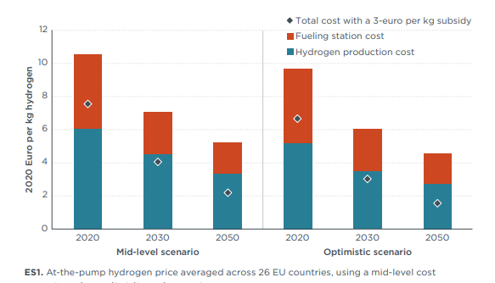

2020 | 9.59E-05 | 2021 | 9.24E-05
2021 | 9.24E-05 | 2022 | 8.89E-05
2022 | 8.89E-05 | 2023 | 8.54E-05
2023 | 8.54E-05 | 2024 | 8.19E-05
2024 | 8.19E-05 | 2025 | 7.84E-05
2025 | 7.84E-05 | 2026 | 7.50E-05
2026 | 7.50E-05 | 2027 | 7.15E-05
2027 | 7.15E-05 | 2028 | 6.80E-05
2028 | 6.80E-05 | 2029 | 6.45E-05
2029 | 6.45E-05 | 2030 | 6.10E-05
2030 | 6.10E-05 | 2031 | 6.01E-05
2031 | 6.01E-05 | 2032 | 5.93E-05
2032 | 5.93E-05 | 2033 | 5.84E-05
2033 | 5.84E-05 | 2034 | 5.75E-05
2034 | 5.75E-05 | 2035 | 5.67E-05
2035 | 5.67E-05 | 2036 | 5.58E-05
2036 | 5.58E-05 | 2037 | 5.49E-05
2037 | 5.49E-05 | 2038 | 5.40E-05
2038 | 5.40E-05 | 2039 | 5.32E-05
2039 | 5.32E-05 | 2040 | 5.23E-05
2040 | 5.23E-05 | 2041 | 5.14E-05
2041 | 5.14E-05 | 2042 | 5.06E-05
2042 | 5.06E-05 | 2043 | 4.97E-05
2043 | 4.97E-05 | 2044 | 4.88E-05
2044 | 4.88E-05 | 2045 | 4.79E-05
2045 | 4.79E-05 | 2046 | 4.71E-05
2046 | 4.71E-05 | 2047 | 4.62E-05
2047 | 4.62E-05 | 2048 | 4.53E-05
2048 | 4.53E-05 | 2049 | 4.45E-05
2049 | 4.45E-05 | 2050 | 4.36E-05
2050 | 4.36E-05

USD/BTU
2020 | 9.59E-05
2030 | 6.10E-05
2050 | 4.36E-05

2020 | 2021 | 2022 | 2023 | 2024 | 2025 | 2026 | 2027 | 2028 | 2029 | 2030 | 2031 | 2032 | 2033 | 2034 | 2035 | 2036 | 2037 | 2038 | 2039 | 2040 | 2041 | 2042 | 2043 | 2044 | 2045 | 2046 | 2047 | 2048 | 2049 | 2050
9.59E-05 | 9.24E-05 | 8.89E-05 | 8.54E-05 | 8.19E-05 | 7.84E-05 | 7.50E-05 | 7.15E-05 | 6.80E-05 | 6.45E-05 | 6.10E-05 | 6.01E-05 | 5.93E-05 | 5.84E-05 | 5.75E-05 | 5.67E-05 | 5.58E-05 | 5.49E-05 | 5.40E-05 | 5.32E-05 | 5.23E-05 | 5.14E-05 | 5.06E-05 | 4.97E-05 | 4.88E-05 | 4.79E-05 | 4.71E-05 | 4.62E-05 | 4.53E-05 | 4.45E-05 | 4.36E-05

TPort Electricity Calcs
Data from Lanz et al 2022
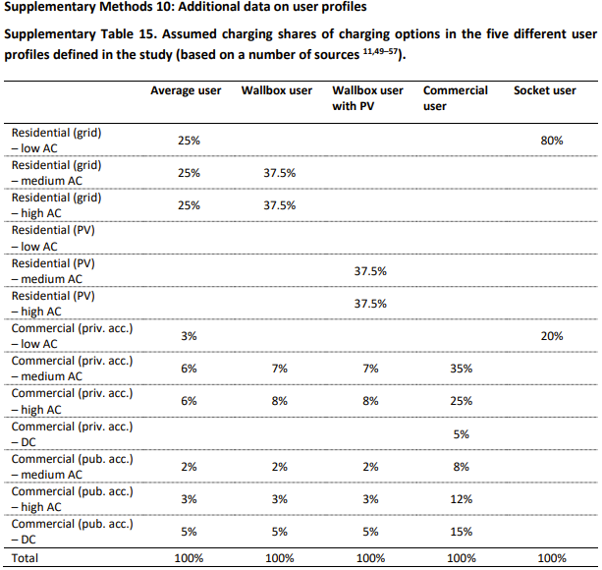
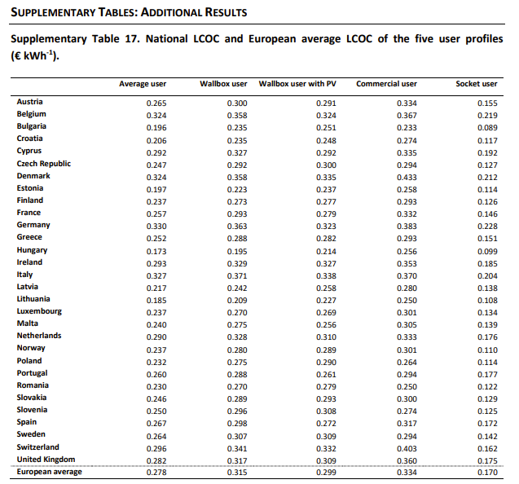
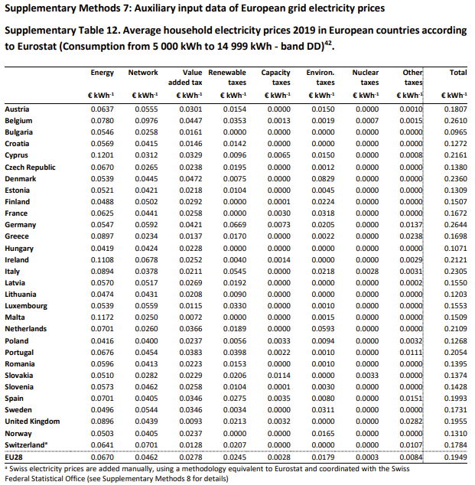
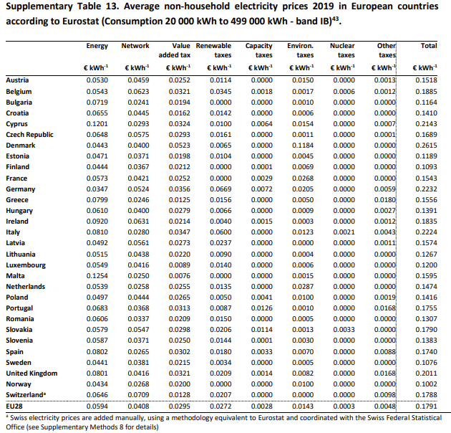

 |  |  |  |  |  | Average User |  |  |  |  | Energy | Network | VAT | Renewable Tax | Capacity Tax | Environ Tax | Nuclear Tax | Other Tax | Total | Energy | Network | VAT | Renewable Tax | Capacity Tax | Environ Tax | Nuclear Tax | Other Tax | Total
Levelized Cost of Charging (LCOC) [EUR2019/kWh] |  |  |  | European Average |  | 0.278 |  |  |  |  | 0.067 | 0.0462 | 0.0278 | 0.0245 | 0.0028 | 0.0179 | 0.0003 | 0.0084 | 0.1949 | 0.0594 | 0.0408 | 0.0295 | 0.0272 | 0.0028 | 0.0143 | 0.0003 | 0.0048 | 0.1791
Average User | € 0.28 |  |  |  |  |  |  |  |  |  |  |  |  |  |  |  |  |  | 0.41918932786 |  |  |  |  |  |  |  |  | 0.4405360134
Wallbox User | € 0.32
Wallbox User with PV | € 0.30
Commercial User | € 0.33 |  |  | https://ec.europa.eu/eurostat/databrowser/view/nrg_pc_204_c__custom_10816551/default/table?lang=en
Socket User | € 0.17 |  |  | NRG_PRC (Labels) | Energy and supply |  | Network costs | Taxes, fees, levies and charges | Value added tax (VAT) | Renewable taxes |  | Capacity taxes |  | Environmental taxes |  | Nuclear taxes |  | Other
 |  |  |  | TIME
Levelized Cost of Charging (LCOC) [USD2012/BTU] |  | To 2021 elec price | LCOC minus tax: | 2017 | 0.0603 |  | 0.0568 | : | : | : |  | : |  | : |  | : |  | :
Average User | 8.22E-05 | 8.50E-05 | 5.65E-05 | 2018 | 0.0669 |  | 0.0575 | : | : | : |  | : |  | : |  | : |  | :
Wallbox User | 9.31E-05 |  |  | 2019 | 0.0685 |  | 0.0601 | 0.0887 | 0.0336 | 0.0266 |  | 0.0033 |  | 0.0183 |  | 0.0003 |  | 0.0066
Wallbox User with PV | 8.84E-05 |  |  | 2020 | 0.0684 |  | 0.0627 | 0.0861 | 0.0328 | 0.0266 |  | 0.0033 |  | 0.0162 |  | 0.0004 |  | 0.0068
Commercial User | 9.87E-05 |  |  | 2021 | 0.0855 |  | 0.0617 | 0.0842 | 0.0334 | 0.0247 |  | 0.0033 |  | 0.0164 |  | 0.0002 |  | 0.0062
Socket User | 5.02E-05 |  |  | 2022 | 0.1430 |  | 0.0661 | 0.0520 | 0.0346 | 0.0095 |  | 0.0039 |  | 0.0078 |  | 0.0000 |  | -0.0039
 |  |  |  | 2023 | : |  | : | : | : | : |  | : |  | : |  | : |  | :

